Descriptive Statistics
Statistics

It is the science of collecting, interpreting, analysing, and vizualising data.

Statistics is of two major types:
Descriptive stats | ways to describe data in a meaningful way
Inferential stats | using sample data to infer something about the larger population

Descriptive stats

How can we go about describing the data in a few ways

Vizual
Histogram
Boxplot

Quantitative
Range
Mean, median |  |  |  |  |  | Sample data
Mode |  |  |  |  |  | 230 |  | Mean | 71828
Quartiles |  |  |  |  |  | 297 |  | Median | 396.5
Max, min |  |  |  |  |  | 300 |  | Mode | 300 | multi modal data
 |  |  |  |  |  | 300
Measures of central tendency |  |  |  |  |  | 380
Mean | sum / count |  |  |  |  | 385
Median | middle value such that equal number of observations are below and above it |  |  |  |  | 396 | Median calculated as the average of these two
Mode | the data point that occurs the most number of times of the data. |  |  |  |  | 397
 |  |  |  |  |  | 397
Mean is prone to outliers |  |  |  |  |  | 512
In ML, many algorithms use mean to come up with a model |  |  |  |  |  | 565
and this is why outlier treatment becomes an important part of data cleaning |  |  |  |  |  | 571
 |  |  |  |  |  | 862
 |  |  |  |  |  | 1000000 | <- This outlier pushes the mean value to something that is not
What central tendency can we use on what kind of variables? |  |  |  |  |  |  | very representative of the data, which is why, means are
Mean | Continuous variables |  |  |  |  |  | prone to outliers
Median | Continous variables | Ordinal categorical variables
Mode | Continuous variables | Categorical variables

Even though, mode can be calculated for continuous and categorical variables,
it is mostly only calculated for categorical variables

The whole idea of calculating a central tendency is to come with a point that best represents
the entire data. It is supposed to be a point around which majority of the data points lie.

Central tendencies help describe my data but they are not enough. We need something |  |  |  |  | 153.7162721
to capture the variability of my data. |  |  |  |  |  | Calculation of variance and standard deviation

 |  |  |  |  | Data | Error from mean | Absolute error from mean | Squared error from mean
 |  |  |  |  | 230 | -200.2 | 200.2 | 40061.6
Measures of dispersion |  |  |  |  | 297 | -133.2 | 133.2 | 17729.9
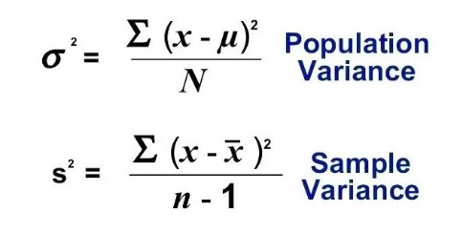
Variance |  |  |  |  | 300 | -130.2 | 130.2 | 16940.0
Standard deviation | sqrt ( Variance ) |  |  |  | 300 | -130.2 | 130.2 | 16940.0
Range | max - min |  |  |  | 380 | -50.2 | 50.2 | 2515.4
 |  |  |  |  | 385 | -45.2 | 45.2 | 2038.9
The first most logical way of trying to quantify dispersion of data |  |  |  |  | 396 | -34.2 | 34.2 | 1166.5
is to just calculate its range ( max - min ) |  |  |  |  | 397 | -33.2 | 33.2 | 1099.2
However, range is highly prone to outliers |  |  |  |  | 397 | -33.2 | 33.2 | 1099.2
 |  |  |  |  | 512 | 81.8 | 81.8 | 6698.8
Therefor we calculate variance and standard dev. |  |  |  |  | 565 | 134.8 | 134.8 | 18183.5
These are the most popular ways of quantifying dispersion of data around its mean. |  |  |  |  | 571 | 140.8 | 140.8 | 19837.6
 |  |  |  |  | 862 | 431.8 | 431.8 | 186491.1
Variance is the average squared error from the mean. |  |  |  | Mean -> | 430.15384615 | 0.0 |  | 330801.7
Variance can be calculated for population data and sample data |  |  |  |  |  |  |  | 25446.3 | Variance
For sample data, we divide the sum of squared errors by (n-1) and not n. |  |  |  |  |  |  |  | 159.5 | Standard dev
 |  |  |  |  |  |  |  | 25446.3 | Calculated using excel
Standard deviation |  |  |  |  |  |  |  | 159.5 | Calculated using excel
is nothing but the square root of variance. We do it because we can't make any |  |  |  |  |  | 10000 | 100
meaningful calculations using the mean and variance because the two have different units. |  |  |  |  |  | 10 | 1000
Think of standard deviation as the average distance of data point from the mean of the data set.

So, to come up with a measure of dispersion that has the same units as your original data, we calculated
the standard deviation.

CoV and examples on mean and standard deviation
Historgrams and data distributions
A little bit on boxplots (maybe)
Normal distribution
Standard Normal distribution and Z transform
Central Limit Theorem
Problems on the central limit theorem
Hypothesis testing

Coefficient of Variation

Standard deviation is an absolute measure of dispersion and it is in the same
units as the mean of the data. In order to compare the dispersion of a data to
a different variable (which is in different units), we need a standardized measure of dispersion.

COV = std/mean

Histogram and Data Distributions

It is a great way to visualize the distribution of data.
There are many different kinds of distributions that are seen but there is one distribution that
we need to study in depth and that is the Normal Distribution

histograms |  |  | scatter plots - relationships
boxplots
.describe()

Inferential Statistics
Inferential Statistics
Take a sample and then try to infer something about the population.
Lets say that you are interested in calculating the average income of India. Since it is just not
possible to capture every data point and calculate the accurate average income of India,
we take samples and try to estimate it.

 |  |  |  | To estimate the average income, we can take many samples of a particular sample size (n)
Average income of India

 |  |  |  |  |  | sample size (n) | 4

 |  |  |  |  |  |  |  |  | sample means ( X bar )
 |  |  |  | Sample 1 | 50000 | 35000 | 70000 | 100000 | 63750.0
Population |  |  |  | Sample 2 | 52404 | 75351 | 71122 | 54782 | 63414.8
 |  |  |  | Sample 3 | 23427 | 53384 | 46490 | 20483 | 35946.0
 |  |  |  | Sample 4 | 43728 | 34832 | 35733 | 30101 | 36098.5
 |  |  |  | Sample 5 | 76417 | 30332 | 83859 | 32957 | 55891.3
 |  |  |  | Sample 6 | 65324 | 30143 | 48962 | 66534 | 52740.8
 |  |  |  | Sample 7 | 60444 | 48737 | 95340 | 86501 | 72755.5
 |  |  |  | …
 |  |  |  | Sample 1000 | 49884 | 39661 | 54095 | 74422 | 54515.5

 |  |  |  |  |  |  |  |  | 54389.0 | mean of sample means ( mu x bar )

 |  |  |  |  |  |  |  |  | Here, the mean of sample means approaches the population mean as
 |  |  |  |  |  |  |  |  | your sample size increases.

Central Limit Theorem
Doesn't matter what the distribution of your population is. The distribution of sample means will always tend to a normal distribution
as the sample size increases. In practical situations, we have seen that for sample sizes greater than 30, your data distribution of sample
means will tend to a normal distribution.

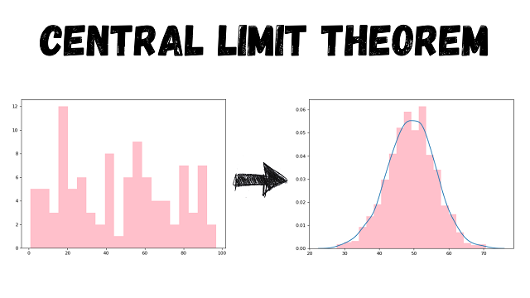

The distribution of the original population
doesn't matter. Unless and the sample size
is larger than 30, the distribution of sample
means always tends to a normal distribution

The mean of this normal normal ( mean of sample
means ) approaches the mean of the population.

The standard deviation of this normal distribution
approaches the standard deviation of the population |  | samplemeans_std | pop_std/sqrt(n)
divided by sqrt ( n ).

Confidence intervals
How confident do you want to be when you provide a range within which a data point will lie.
It is just the area under the normal distribution curve.

Typical confidence intervals used | Corresponding z scores on a two tail dist

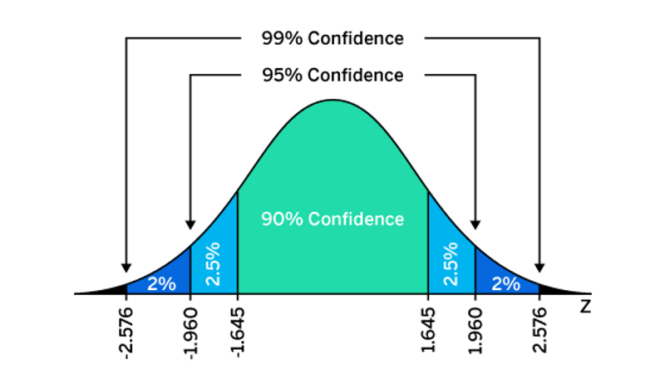
90% | 1.645
95% | 1.96
99% | 2.576

Example:
Given that the IQs of students in a college are normal distributed
with a mean of 120 with a standard deviation of 20.

mean | 120
std | 20

On the given distribution 90% of the data points will lie between

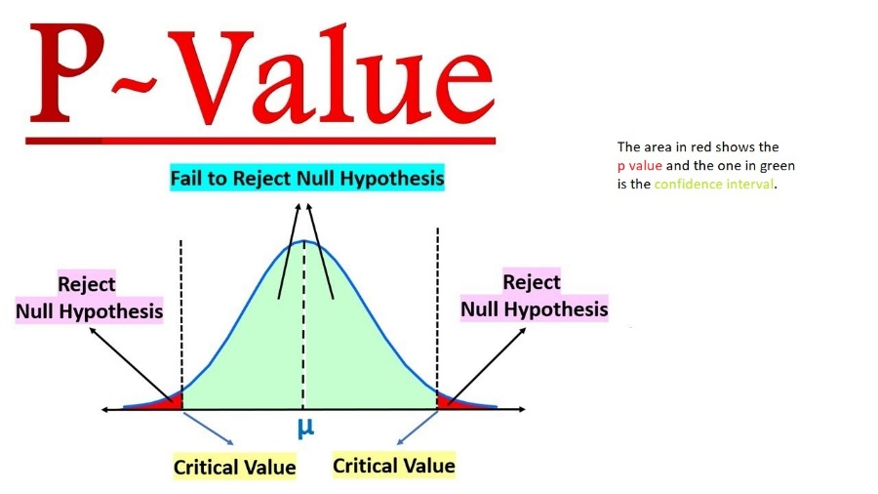
upper limit | 152.9
lower limit | 87.1

p value critical ( alpha region )
1 - confidence interval
The probability that a particular data point will lie outside of your confidence interval.

Hypothesis testing
A hypothesis is a premise or an assumption that you have based on maybe your experience or past studies that have happened.
To actually prove or disprove a hypothesis however, you need data.

Steps involved in Hypothesis testing

Step 1: Define the null hypothesis (H0)
It is the case of equality. We assume that whatever premise has been made is true.

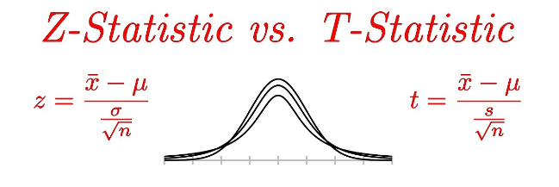
Step 2: Defined the Alternate hypothesis (Ha)
It is exactly the opposite of null hypothesis. Usually, this is what you are trying to prove
.
Step 3: Define the confidence interval or the p value
90%
95%
99%

Step 4: Select the test that you want to conduct
z test / t test |  | to compare the means of two continuous variables ( sample vs population or sample vs sample)
f test / ANOVA - Analysis of Variance |  | to compare the means of more than two continuous variables
chi squared test |  | to establish the relationship between 2 categorical columns
Pearson correlation test |  | to establish the relationship between 2 continuous columns

Step 5: Define the rejection rules
Here, we must calculate the critical values of the test statistic based on our confidence interval or p value defined in step 3.

Step 6: perform the test and state the business conclusion.

F test / ANOVA - Analysis of Variance
 |  |  |  |  |  | Delhi | Mumbai | Chennai
used to compare the means of more than 2 continuous variables. |  |  |  |  |  | 7 | 109 | 8729
Example: Check whether the salaries of data scientists in Delhi, Mumbai, and Chennai are equal. |  |  |  |  |  | 8 | 114 | 5426
 |  |  |  |  |  | 7 | 150 | 7057
f statistic = Variance between / Variance within |  |  |  |  |  | 9 | 113 | 1089
 |  |  |  |  |  | 8 | 147 | 5970
Here, variance between signifies the variance between means of different columns. |  |  |  |  |  | 10 | 102 | 7259
Variance within signifies the variance within each col.
 |  |  |  |  |  | Here, the variance between the variables is quite large. So, the f statistic will be high.
f statistic = Variance between / var1 * var2 * var3

If these variables are significantly different, you will get higher f statistic values.

Chi squared test
used to test the relationship between 2 columns.

Question from pdf. Check whether there is any relationship between the mode of computation
column and the time taken for computation column.

The first step in implementing the chi squared test is to create a cross tab between the two columns being compared.
This table is called the observed frequency table as it denotes the observed frequency of each pair of categories.
For example, the number of people that did On table computations and completed the computation in less than
2 mins are 28.

Observed Frequency table
 |  | Mode of computation
 |  | On table | Handheld
Time taken for computation | <2 | 28 | 12 | 40
 | 2-3 | 25 | 35 | 60
 | >3 | 21 | 29 | 50
 |  | 74 | 76 | 150

In order to judge, whether there is a relationship betwee the two variables or not, we assume that there is no relationship at all (H0).
Assuming there was no relationship, what would have been the expected frequency table.

Expected Frequency table
 |  | Mode of computation
 |  | On table | Handheld
Time taken for computation | <2 | 19.7 | 20.3
 | 2-3 | 29.6 | 30.4
 | >3 | 24.7 | 25.3

If there is a big difference between my observed frequencies and expected frequencies
I will say that my initial assumption was incorrect and that the two variables are dependent on each other.

If the two tables are very similar, then I would say that the two columns are independent of each other.

To find this similarity, we calculate errors between the two tables as follows:

Errors between Expected and Observed Frequencies

 |  | Mode of computation
 |  | On table | Handheld
Time taken for computation | <2 | 3.5 | 3.4
 | 2-3 | 0.7 | 0.7
 | >3 | 0.5 | 0.5

Chi Square statistic (X2) | 9.3

Once we know the chi square statistic, we must compare it to our critical calculated using the confidence
interval and the degrees of freedom.

degrees of freedom can be calculated as
(m-1)*(n-1)
where m is the number of rows in your frequency tables
n is the number of cols

Pearson's correlation
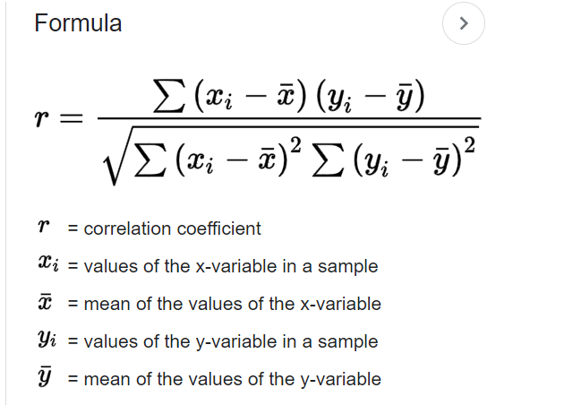
total_bill | tip | (x - x_bar) | (y - y_bar) | (x - x_bar)*(y - y_bar)
16.99 | 1.01
10.34 | 1.66
21.01 | 3.5
23.68 | 3.31
24.59 | 3.61
25.29 | 4.71
8.77 | 2
26.88 | 3.12
15.04 | 1.96
14.78 | 3.23
10.27 | 1.71
35.26 | 5
15.42 | 1.57
18.43 | 3
14.83 | 3.02
21.58 | 3.92
10.33 | 1.67
16.29 | 3.71
16.97 | 3.5
20.65 | 3.35
17.92 | 4.08
20.29 | 2.75
15.77 | 2.23
39.42 | 7.58
19.82 | 3.18
17.81 | 2.34
13.37 | 2
12.69 | 2
21.7 | 4.3
19.65 | 3
9.55 | 1.45
18.35 | 2.5
15.06 | 3
20.69 | 2.45
17.78 | 3.27
24.06 | 3.6
16.31 | 2
16.93 | 3.07
18.69 | 2.31
31.27 | 5
16.04 | 2.24
17.46 | 2.54
13.94 | 3.06
9.68 | 1.32
30.4 | 5.6
18.29 | 3
22.23 | 5
32.4 | 6
28.55 | 2.05
18.04 | 3
12.54 | 2.5
10.29 | 2.6
34.81 | 5.2
9.94 | 1.56
25.56 | 4.34
19.49 | 3.51
38.01 | 3
26.41 | 1.5
11.24 | 1.76
48.27 | 6.73
20.29 | 3.21
13.81 | 2
11.02 | 1.98
18.29 | 3.76
17.59 | 2.64
20.08 | 3.15
16.45 | 2.47
3.07 | 1
20.23 | 2.01
15.01 | 2.09
12.02 | 1.97
17.07 | 3
26.86 | 3.14
25.28 | 5
14.73 | 2.2
10.51 | 1.25
17.92 | 3.08
27.2 | 4
22.76 | 3
17.29 | 2.71
19.44 | 3
16.66 | 3.4
10.07 | 1.83
32.68 | 5
15.98 | 2.03
34.83 | 5.17
13.03 | 2
18.28 | 4
24.71 | 5.85
21.16 | 3
28.97 | 3
22.49 | 3.5
5.75 | 1
16.32 | 4.3
22.75 | 3.25
40.17 | 4.73
27.28 | 4
12.03 | 1.5
21.01 | 3
12.46 | 1.5
11.35 | 2.5
15.38 | 3
44.3 | 2.5
22.42 | 3.48
20.92 | 4.08
15.36 | 1.64
20.49 | 4.06
25.21 | 4.29
18.24 | 3.76
14.31 | 4
14 | 3
7.25 | 1
38.07 | 4
23.95 | 2.55
25.71 | 4
17.31 | 3.5
29.93 | 5.07
10.65 | 1.5
12.43 | 1.8
24.08 | 2.92
11.69 | 2.31
13.42 | 1.68
14.26 | 2.5
15.95 | 2
12.48 | 2.52
29.8 | 4.2
8.52 | 1.48
14.52 | 2
11.38 | 2
22.82 | 2.18
19.08 | 1.5
20.27 | 2.83
11.17 | 1.5
12.26 | 2
18.26 | 3.25
8.51 | 1.25
10.33 | 2
14.15 | 2
16 | 2
13.16 | 2.75
17.47 | 3.5
34.3 | 6.7
41.19 | 5
27.05 | 5
16.43 | 2.3
8.35 | 1.5
18.64 | 1.36
11.87 | 1.63
9.78 | 1.73
7.51 | 2
14.07 | 2.5
13.13 | 2
17.26 | 2.74
24.55 | 2
19.77 | 2
29.85 | 5.14
48.17 | 5
25 | 3.75
13.39 | 2.61
16.49 | 2
21.5 | 3.5
12.66 | 2.5
16.21 | 2
13.81 | 2
17.51 | 3
24.52 | 3.48
20.76 | 2.24
31.71 | 4.5
10.59 | 1.61
10.63 | 2
50.81 | 10
15.81 | 3.16
7.25 | 5.15
31.85 | 3.18
16.82 | 4
32.9 | 3.11
17.89 | 2
14.48 | 2
9.6 | 4
34.63 | 3.55
34.65 | 3.68
23.33 | 5.65
45.35 | 3.5
23.17 | 6.5
40.55 | 3
20.69 | 5
20.9 | 3.5
30.46 | 2
18.15 | 3.5
23.1 | 4
15.69 | 1.5
19.81 | 4.19
28.44 | 2.56
15.48 | 2.02
16.58 | 4
7.56 | 1.44
10.34 | 2
43.11 | 5
13 | 2
13.51 | 2
18.71 | 4
12.74 | 2.01
13 | 2
16.4 | 2.5
20.53 | 4
16.47 | 3.23
26.59 | 3.41
38.73 | 3
24.27 | 2.03
12.76 | 2.23
30.06 | 2
25.89 | 5.16
48.33 | 9
13.27 | 2.5
28.17 | 6.5
12.9 | 1.1
28.15 | 3
11.59 | 1.5
7.74 | 1.44
30.14 | 3.09
12.16 | 2.2
13.42 | 3.48
8.58 | 1.92
15.98 | 3
13.42 | 1.58
16.27 | 2.5
10.09 | 2
20.45 | 3
13.28 | 2.72
22.12 | 2.88
24.01 | 2
15.69 | 3
11.61 | 3.39
10.77 | 1.47
15.53 | 3
10.07 | 1.25
12.6 | 1
32.83 | 1.17
35.83 | 4.67
29.03 | 5.92
27.18 | 2
22.67 | 2
17.82 | 1.75
18.78 | 3
19.785942623 | 2.9982786885

